dashboard
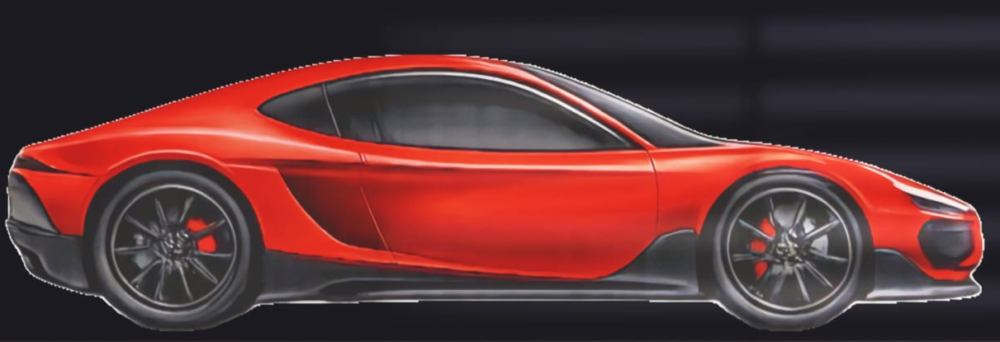

CAR SALES DASHBOARD

Model wise car sold
 | Total
i8 | 81
Brand waise card sold
 | Total
BMW | 81
Region waise revenue
 | Total
West | 22,883,391

Year waise revenue
 | Total
2025 | 22883391
Brand waise profit
 | Total
BMW | 3938428

Month wise revenue
 | Total
Nov | 22883391

Region waise profit
 | Total
West | 27477678

